Torque_Current_Conversion
EMRAX 228 Medium Voltage
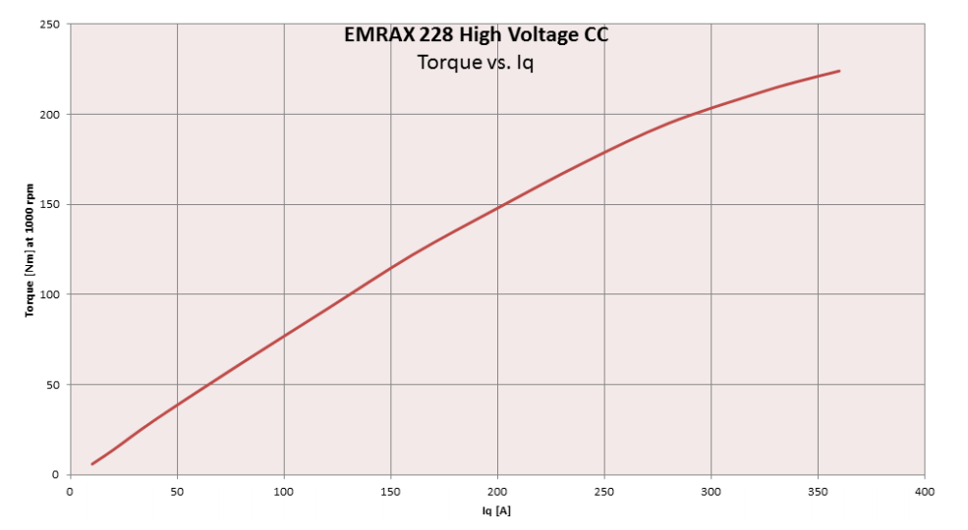
1.52 | I | Nm
15.2 | 10 | 5
76 | 50 | 39
152 | 100 | 76
228 | 150 | 115
304 | 200 | 148
380 | 250 | 180
456 | 300 | 204
532 | 350 | 222

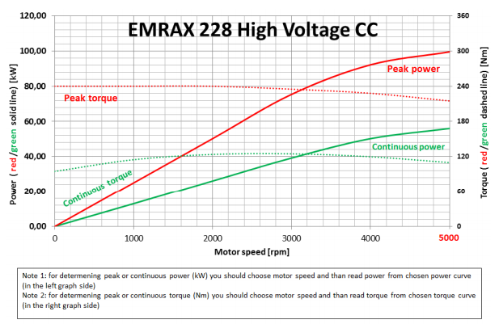
 |  |  |  | Amps |  | Nm
 |  |  |  | 120 | 55.50228048 | 61
 |  |  |  | 150 |  | 74
 |  |  | 208MV | 150 |  | 81

Batteries
Name | Headway 15Ah Cells | Headway 12Ah Cells | Headway 10Ah Cells | Headway 8Ah Cells | Headway 3Ah Cells | Headway 2.5Ah Cells | Headway 2Ah Cells | A123 Cells | A123 Cells | A123 Cells | Dison 10Ah Cells | Panasonic Cells | Panasonic Cells | Panasonic Cells | Panasonic Cells | Panasonic Cells | Heter Battery | Heter Battery | Heter Battery | Heter Battery | Heter Battery | Heter Battery | Heter Battery | Goldencell Electronics Technology | Samsung | Samsung | Efest | LG | Samsung | LG
Part Number | 40152S | 38140S | 38120S | 38120HP | 26650 | 26650E | 26650e | AHR32113M1Ultra-B | APR18650 | ANR26650 | IFP2265100 | NCR18650PF | UR18650A | UR18650AA | UR865RX | UR18650ZTA | HTCF18650-1400-3.3 | HTCF18650-1600-3.3 | HTCF18650-2200-3.6 | HTCF26650-3000-3.3 | HTCF26650-3200-3.3 | HETER-48V-10Ah-1 | LiFePO4 battery module for electrical vehicles | 32650-5000mAh-3.2V | ICR26650C1 | INR18650-30Q | IMR 26650 5200mAh | 18650HG2 | INR18650-25R | LG18650HE2
Image |  |  |  | 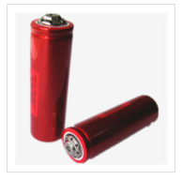 |  |  |  |  |  |  |  | 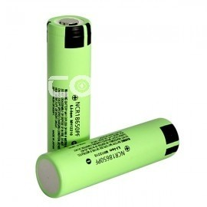 |  |  | 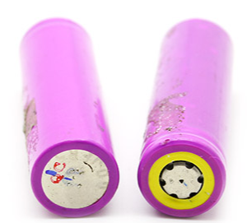 |  |  |  |  |  |  |  | 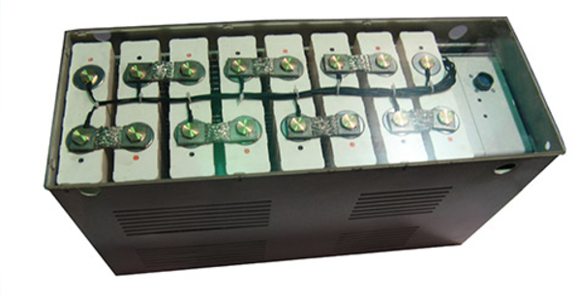
Chemical Composition | LiFePO4 | LiFePO4 | LiFePO4 | LiFePO4 | LiFePO4 | LiFePO4 | LiFePO4 |  |  |  | LiFePO4 | LiNiCOMnO2 |  |  |  |  | LiFePO4 | LiFePO4 | LiFePO4 | LiFePO4 | LiFePO4 |  | LiFePO4 | LiFePO4 | LiNiMnCo | Li-ion | LiNiMnCoO2 | Li-ion | Li-ion | Li-ion
Cost | 24.00 | 18.50 | 16.00 | 16.99 |  |  |  |  | 6.95 | 9.25 | 16.5 | 7.42 for 2 |  |  |  | 5.84 for 2 |  |  |  |  |  |  |  |  |  | 4.98 | 7.00 |  | 4.86
Nominal Capacity (Ah) | 15 | 12 | 10 | 8 | 3 | 2.5 | 2 | 4.5 | 1.1 | 2.5 | 10 | 2.9 | 2.1 | 2.15 | 1.95 | 2.85 | 1.4 | 1.6 | 2.2 | 3 | 3.2 | 10 | 20 | 5 | 4 | 3.04 | 5.2 | 2.5 | 2.5 | 2.5
Charged Voltage (V) | 3.65 | 3.65 | 3.65 | 3.65 | 3.65 | 3.65 | 3.65 |  |  |  | 3.7 |  |  |  |  |  | 3.65 | 3.65 | 4.2 | 3.65 | 3.65 | 54.6 |  |  | 4.2 |  |  | 4.2 |  | 4.2
Nominal Voltage (V) | 3.2 | 3.2 | 3.2 | 3.2 | 3.2 | 3.2 | 3.2 | 3.3 | 3.3 | 3.3 | 3.2 | 3.6 | 3.6 | 3.6 | 3.7 | 3.7 | 3.3 | 3.3 | 3.6 | 3.3 | 3.3 | 48 | 48 | 3.2 | 3.6 | 3.61 | 3.7 | 3.6 | 3.6 | 3.6
Max Discharge Current (A) | 150 | 120 | 100 | 160 | 6 | 10 | 3 |  | 30 | 50 | 300 | 10 |  |  |  |  | 4.2 | 4.8 | 11 (pulse) | 9 | 9.6 | 20 |  |  | 4 | 15 | 15 | 20 | 20 | 20
Energy Density (Wh/Kg) | 100.00 | 96.00 | 96.97 | 85.33 | 115.66 | 94.12 | 110.34 | 72.44 | 93.08 | 108.55 | 108.47 | 226.96 | 171.82 | 179.58 | 151.89 | 215.20 | 115.50 | 132.00 | 176.00 | 104.21 | 117.33 | 129.73 | 107.14 | 115.94 | 160.00 | 240.67 | 209.13 | 204.55 | 200.00 | 187.50
Initial Internal Impedance (mΩ) | 8 | 6 | 4 | 5 | 40 | 15 | 80 |  | 12 | 10 | 15 |  |  |  |  |  | 60 | 60 |  | 30 | 30 | 250 |  | 30 | 50 | 19 | 25 | 25 | 30 | 20
Diameter (m) | 0.04 | 0.038 | 0.038 | 0.038 | 0.026 | 0.026 | 0.022 | 0.032 | 0.018 | 0.026 |  | 0.0185 | 0.0185 | 0.0185 | 0.0185 | 0.0186 | 0.01815 | 0.01815 | 0.018 | 0.02615 | 0.02615 |  |  | 0.03235 | 0.026 | 0.018 | 0.026 | 0.018 | 0.018 | 0.018
Width (m) |  |  |  |  |  |  |  |  |  |  | 0.023
Height (m) |  |  |  |  |  |  |  |  |  |  | 0.065
Length (m) | 0.152 | 0.142 | 0.132 | 0.122 | 0.065 | 0.065 | 0.065 | 0.113 | 0.065 | 0.065 | 0.105 | 0.0653 | 0.0651 | 0.0651 | 0.0651 | 0.0653 | 0.0652 | 0.0652 | 0.0655 | 0.0655 | 0.0655 | 100x77x285 mm | 112x173x248 mm | 0.0684 | 0.065 | 0.065 | 0.065 | 0.065 | 0.065 | 0.065
Weight (Kg) | 0.48 | 0.4 | 0.33 | 0.3 | 0.083 | 0.085 | 0.058 | 0.205 | 0.039 | 0.076 | 0.295 | 0.046 | 0.044 | 0.0431 | 0.0475 | 0.049 | 0.04 | 0.04 | 0.045 | 0.095 | 0.09 | 3.7 | 8.96 | 0.138 | 0.09 | 0.0456 | 0.092 | 0.044 | 0.045 | 0.048
Link to DataSheet | https://bmsbattery.com/ebike-battery/392-headway-40152s-15ah-10c-lifepo4-cylindrical-battery-cell-battery.html | http://evcomponents.com/lifepo4-cell/headway-38140s-12ah-lifepo4-cell.html | https://bmsbattery.com/ebike-battery/10-headway-38120s-10ah-10c-lifepo4-cylindrical-battery-cell-with-screw-headway-battery.html | http://www.headway-cn.com/en/showproducts.php?id=1560 | http://www.headway-cn.com/en/showproducts.php?id=1672 | http://www.headway-cn.com/en/showproducts.php?id=1712 | http://www.headway-cn.com/en/showproducts.php?id=1671 | https://www.creasefield.co.uk/wp-content/uploads/2014/11/A123-AHR32113-datasheet.pdf | http://www.a123systems.com/lifepo4-battery-cell.htm | http://www.a123systems.com/lithium-ion-cells-26650-cylindrical-cell.htm | http://www.battery-energy.net/product_630537/Dison-primatic-phosphate-3-2v-10Ah-LiFePo4-lithium-li-ion-electric-vehicle-battery.html | http://www.omnitron.cz/download/datasheet/NCR-18650PF.pdf | http://www.omnitron.cz/download/datasheet/UR-18650A.pdf | https://industrial.panasonic.com/ww/products/batteries/secondary-batteries/lithium-ion/cylindrical-type/UR18650AA |  | https://na.industrial.panasonic.com/sites/default/pidsa/files/ur18650zta.pdf | http://www.heterbattery.com/products/lithium-ion-cells/lifepo4-battery-18650-1400mah.aspx | http://www.heterbattery.com/products/lithium-ion-cells/lifepo4-battery-18650-1600mah.aspx | http://www.heterbattery.com/products/lithium-ion-cells/li-ion-battery-18650-2200mah.aspx | http://www.heterbattery.com/products/lithium-ion-cells/lithium-battery-26650-lifepo4.aspx | http://www.heterbattery.com/products/lithium-ion-cells/lithium-battery-26650-lifepo4-3200mah.aspx | http://www.heterbattery.com/products/power-battery-systems/lithium-battery-48v-10ah.aspx | http://www.heterbattery.com/products/power-battery-systems/lifepo4-battery-module-for-electric-vehicles.aspx | http://www.goldencellbattery.com/show-25-34.html#main | http://www.batteryspace.com/prod-specs/6423.pdf | https://eu.nkon.nl/sk/k/30q.pdf | http://lygte-info.dk/review/batteries2012/Efest%20IMR26650%205200mAh%20(Purple)%202016%20UK.html | https://www.nkon.nl/sk/k/hg2.pdf | https://www.powerstream.com/p/INR18650-25R-datasheet.pdf | https://www.powerstream.com/p/LG-ICR18650HE2-REV0.pdf
Notes | http://www.headway-cn.com/en/showproducts.php?id=1562 | http://www.headway-cn.com/en/showproducts.php?id=1561 | http://www.headway-cn.com/en/showproducts.php?id=1670 | price: http://www.evassemble.com/index.php?main_page=product_info&cPath=2&products_id=20 |  |  |  |  | price: https://www.buya123products.com/goodsdetail.php?i=2 | price: https://www.buya123products.com/goodsdetail.php?i=6 |  | https://industrial.panasonic.com/cdbs/www-data/pdf2/ACA4000/ACA4000C50.pdf | https://industrial.panasonic.com/cdbs/www-data/pdf2/ACA4000/ACA4000CE285.pdf | https://industrial.panasonic.com/cdbs/www-data/pdf2/ACA4000/ACA4000C59.pdf | https://industrial.panasonic.com/cdbs/www-data/pdf2/ACA4000/ACA4000CE421.pdf | sanyo brand: https://www.fasttech.com/product/1343501-as-is-authentic-sanyo-ur18650zta-18650-3000mah-37v |  | found a sony version for $3 apiece https://www.imrbatteries.com/sony-vtc3-18650-1600mah-30a-flat-top-battery/ |  |  |  |  | compatible bms and charger available |  | Only see impedence for AC on data sheet | https://www.imrbatteries.com/content/samsung_30Q.pdf |  |  |  | AC impedence, without PTC
 |  |  |  |  |  |  |  |  |  |  |  | price: https://www.fasttech.com/product/1455000-panasonic-ncr18650pf-3-6v-2900mah-rechargeable-lihttps://www.fasttech.com/product/1455000-panasonic-ncr18650pf-3-6v-2900mah-rechargeable-li | may be able to find sanyo brand
 |  |  |  |  |  |  |  |  |  |  |  | found a 3400mAh https://www.amazon.com/NCR18650B-Rechargeable-Li-ion-Battery-Panasonic/dp/B00C26OWGS

